Hiearchy View
CLASS: RAILROAD FLASHER
a light (such as a traffic signal or automobile light) that flashes to catch attention |  | 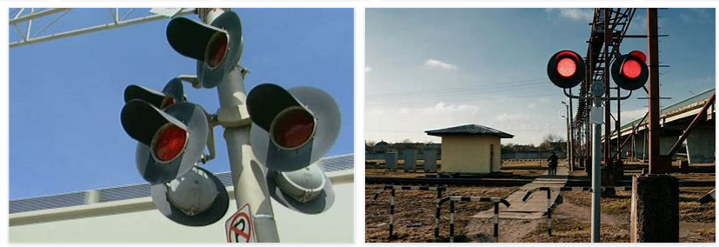
REMOVE | N

PROBLEM_DESC | CAUSE_DESC | REMEDY_DESC
ALARM/SENSOR
BROKEN/DAMAGED
LIGHTING
NOISE
OTHER PROBLEM
PESTS
POWER-ELEC
PRESSURE
STOPPED/SLOWED/POOR OPS
TEMP-CTRL
VIBRATION
Grand Total

